Sheet1
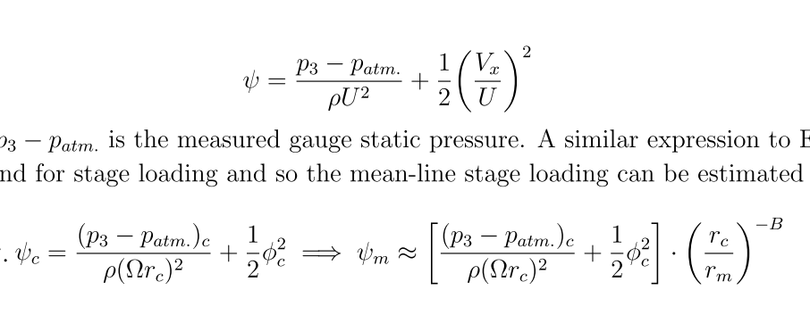
 | Sigma | Phi | Psi_tt | Phi_m | Psi_tt_m | A | -1
 | 0.5 | 0.07 | 0.037 | 0.093914855055 | 0.057498445423 | B | -1.5
 | 0.5 | 0.08 | 0.042 | 0.10733126292 | 0.065268505616 | rc | 0.06
 | 0.7 | 0.31 | 0.073 | 0.41590864381 | 0.11344287881 | rh | 0.02
 | 0.7 | 0.31 | 0.074 | 0.41590864381 | 0.11499689085 | rm | 0.04472135955
 | 0.9 | 0.48 | 0.118 | 0.64398757752 | 0.18337342054 | rc/rm | 1.3416407865
 | 0.9 | 0.48 | 0.118 | 0.64398757752 | 0.18337342054
 | 1 | 0.52 | 0.119 | 0.69765320898 | 0.18492743258
 | 1 | 0.51 | 0.112 | 0.68423680111 | 0.17404934831
 | 1.13 | 0.52 | 0.106 | 0.69765320898 | 0.16472527608
 | 1.13 | 0.54 | 0.109 | 0.72448602471 | 0.16938731219
 | 1.19 | 0.55 | 0.115 | 0.73790243257 | 0.17871138442
 | 1.19 | 0.55 | 0.115 | 0.73790243257 | 0.17871138442
new diff | 0.59 | 0.21 | 0.058 | 0.28174456516 | 0.090132698231
 | 0.59 | 0.22 | 0.059 | 0.29516097303 | 0.09168671027
 | 0.69 | 0.31 | 0.081 | 0.41590864381 | 0.12587497512
 | 0.69 | 0.31 | 0.085 | 0.41590864381 | 0.13209102327
 | 0.83 | 0.43 | 0.136 | 0.57690553819 | 0.21134563723
 | 0.83 | 0.43 | 0.137 | 0.57690553819 | 0.21289964927
 | 0.89 | 0.45 | 0.145 | 0.60373835392 | 0.22533174558
 | 0.89 | 0.45 | 0.143 | 0.60373835392 | 0.2222237215
 |  |  |  |  |  |  |  | sigma | 0.59422134375 | 0.69430759375 | 0.825602625 | 0.885115125

 |  |  |  |  |  |  |  | r3c | 0.06 | 0.06 | 0.06 | 0.06
 |  |  |  |  |  |  |  | r3h | 0.02 | 0.02 | 0.02 | 0.02
 |  |  |  |  |  |  | new diff | rec | 0.05322 | 0.05322 | 0.05322 | 0.05322
 |  |  |  |  |  |  |  | reh | 0.03051 | 0.02471 | 0.0138 | 0
 |  |  |  |  |  |  |  | prev sig | 0.9 | 1 | 1.13 | 1.19

